1. Title Page
Instacart Grocery Basket Analysis

Project Name: Instacart Grocery Basket Analysis
Date: April 9th, 2025
Analyst Name: Natalie Aguilar

Contents:
Population Flow
Consistency checks
Wrangling steps
Column derivations
Visualizations
Recommendations

2. Population Flow
Title page

Population flow

Exclusion flag
Condition: max_order < 5
Obervations to be removed: 1,440,295
Final total count of order_products_all: 32,404,859

Orders_products_combined
Orders_products_merged
Orders_products_all

Total: 32,404,859
Total: 32,434,489
Total: 32,404,859

1.) The grey boxes in the first row of the population flow represent the original data sets as they were when you downloaded them. In the Total fields you need to add the count of the rows when you imported the data set into Jupyter.
2.) The second row of boxes (coloured) represents the data sets after you manipulated them, e.g., removed missing values and duplicates. In the Total fields you need to add the count of the rows after conducting these operations. This offers a visual oveview of how the data flows throughout the data consistency checks.
3.) The third row, where also the arrows are coloured, represents the merges you performed between the datasets. In the Total fields you need to add the count of the rows in the merged datasets, so that you end up with the final dataset (in the red box). Keep in mind the final dataset should be without exclusions (based on the exclusion flag).

3. Consistency checks
 |  |  |  | Title page
Consistency checks

Dataset | Missing values | Missing values treatment | Duplicates
orders | days_since_prior_order (206,209 missing values) | The missing values indicated new customers or their first orders. A new variable was created to flag these cases based on the missing values. | No duplicates
products | product_name (16 missing values) |  | 5 duplicates were found and dropped.
orders_products_prior | None | N/A | No duplicates
customers | first_name (11,259 missing values) | First names and last names should be removed for privacy. Date_joined should be removed because it is unnecessary. | No duplicates

4. Wrangling steps
 |  |  |  |  | Title page
Wrangling steps
Wrangling steps

Data set | Columns dropped | Columns renamed | Columns' type changed | Comment/Reason
orders | eval_set |  |  | not necessary for analysis
 |  | orders_dow |  | ambiguous column name, changed to orders_day_of_week
 |  |  | order_id | changed to string
 |  |  | user_id | changed to string
department |  | index |  | transposed dataset and added an index and new header
customers |  | User ID |  | Changed to user_id for consistency
 |  | surnam |  | Change to Last Name for consistency
 |  | STATE |  | Changed to State for consistency
 |  | n_dependants |  | Changed to Number of Dependents for consistency
 |  | fam_status |  | Changed to Family Status for consistency
 |  | income |  | Changed to Income for consistency

5. Column derivations
 |  |  |  | Title page

Column derivations and aggregations

In this tab you should add tables below that the frequences of flags/label variables that you produced after deriving them. NB: don't do this for continuous variables, only for flags.
Dataset | New column | Column/s it was derived from | Conditions
orders | first_order | days_since_prior_order | NaN
ords_prods_merge | price_range | prices | If prices <= 5 then 'Low-Range product' If prices >5 & <= 15 then 'Mid-range product' If prices > 15 then 'High-range product' else 'Not enough data'
ords_prods_merge | busiest_days | orders_day_of_week | If value == 0 or value == 1 then 'Busiest days' If value == 3 or value == 4 then 'Least busy' else 'Regularly busy'
ords_prods_merge | busiest_period_of_day | order_hour_of_day | if value == 10 or value == 11 or value == 14 or value == 15 or value == 13 or value == 12 or value == 16 or value == 9: then ("Most orders") if value == 17 or value == 8 or value == 18 or value == 19 or value == 20 or value == 7 or value == 21 or value == 22: then ("Average orders") else: ("Fewest orders")
ords_prods_merge | loyalty_flag | max_order | ['max_order'] > 40, 'loyalty_flag'] = 'Loyal customer' ['max_order'] <= 40) & ['max_order'] > 10), 'loyalty_flag'] = 'Regular customer' ['max_order'] <= 10, 'loyalty_flag'] = 'New customer'
ords_prods_merge | spender_flag | average_spend | ['average_spend']<10,'spender_flag']='Low_spender' ['average_spend']>= 10, 'spender_flag'] = 'High_spender'
ords_prods_merge | Customer_frequency | days_since_prior_order | ['Customer_frequency'] > 20, 'frequency_flag'] = 'Non_frequent_customer' ['Customer_frequency']>10) & (ords_prods_merge['Customer_frequency']<=20),'frequency_flag'] = 'Regular customer' ['Customer_frequency'] <= 10, 'frequency_flag'] = 'Frequent Customer'
ords_prods_cust_merge | Region | State | All the States in the country categorized by reigon.
ords_prods_cust_merge | Customer_Activity | max_order | ['max_order'] < 5, 'Customer_Activity'] = 'LOW' ['max_order'] >= 5, 'Customer_Activity'] = 'HIGH'
Updated_df | Age Group | Age | ['Age'] <= 25, 'Age Group'] = 'Youth' (['Age'] > 25) & (['Age'] <= 64), 'Age Group'] = 'Adults' ['Age'] > 64, 'Age Group'] = 'Senior'
Updated_df | Income Group | Income | ['Income'] <= 50000, 'Income Group'] = 'LOW' ['Income'] > 50000) & ['Income'] <= 150000), 'Income Group'] = 'MIDDLE' ['Income'] > 150000, 'Income Group'] = 'HIGH'
Updated_df | Number of Dependents | dependents_flag | ['Number of Dependents'] == 0, 'dependents_flag'] = 'No Dependents' ['Number of Dependents'] >= 1, 'dependents_flag'] = 'Has Dependents'

6. Visualizations
 |  |  |  |  | Title page

Visualisations

In this tab you should include all the visualtions from Exercises 4.9 and 4.10, alongside the questions from the project brief that they answer. Include any commentary on the relationship between different variables.

Objectives: | For Sales and Marketing Teams

Question: | What the busiest days of the week and hours of the day are (i.e., the days and times with the most orders) in order to schedule ads at times when there are fewer orders?

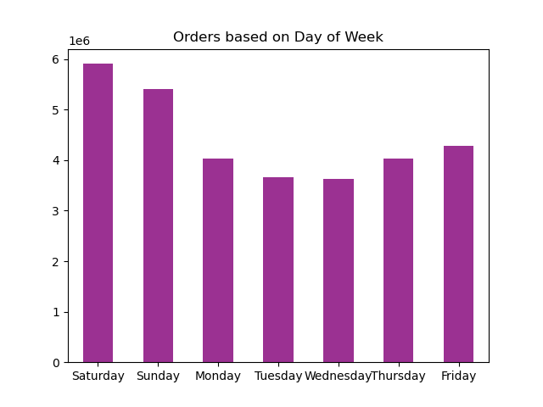

 |  | Answer: | Weekends have the highest order volumes, with peak activity occurring during business hours,especially between 9 AM and 11 AM.

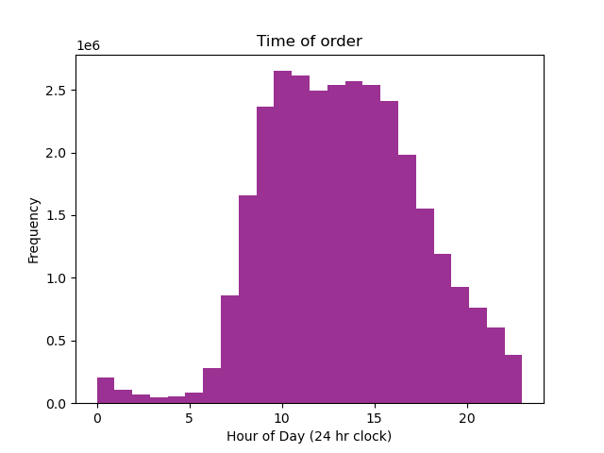

Question: | Are there particular times of the day when people spend the most money, as this might inform the type of products they advertise at these times. The highest frequency of product orders will be determined here?

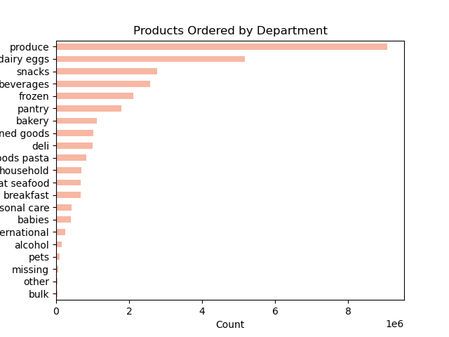

 |  |  | Answer: | Instacart's top selling products include produce, dairy and eggs, and snacks. Customers tend to spend the most on these items during the busy morning rush hours.

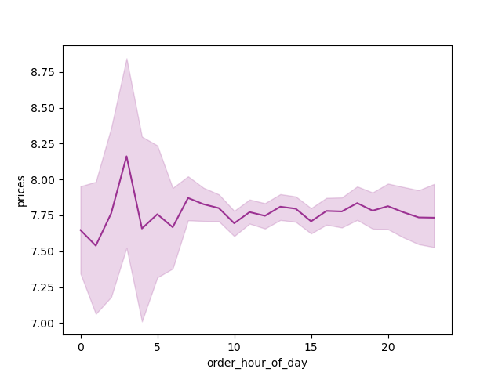

Question: | What’s the distribution among users in regards to their brand loyalty (i.e., how often do they return to Instacart)?

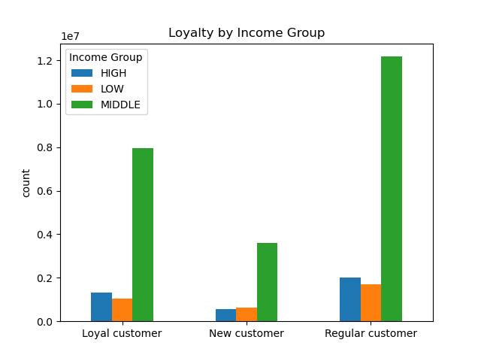
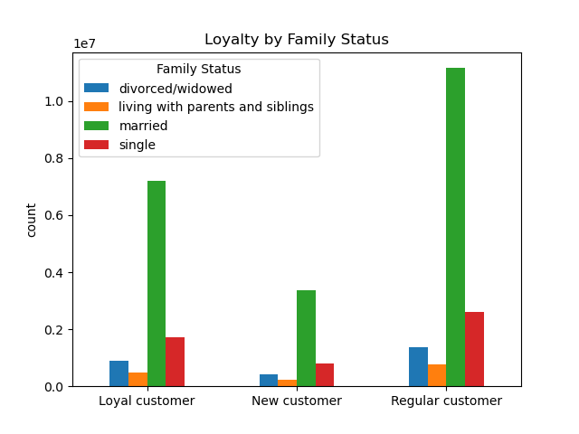

Answer: | Returning customers are primarily from middle income households and are married.

Question: | Are there differences in ordering habits based on a customer’s loyalty status?

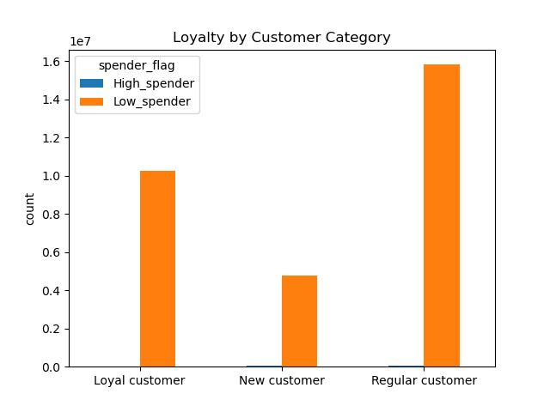

 |  |  | Answers: | The highest number of orders were placed by the low_spender category. In contrast, high_spender category made very few purchase orders.

Question: | Are there differences in ordering habits based on a customer’s region?

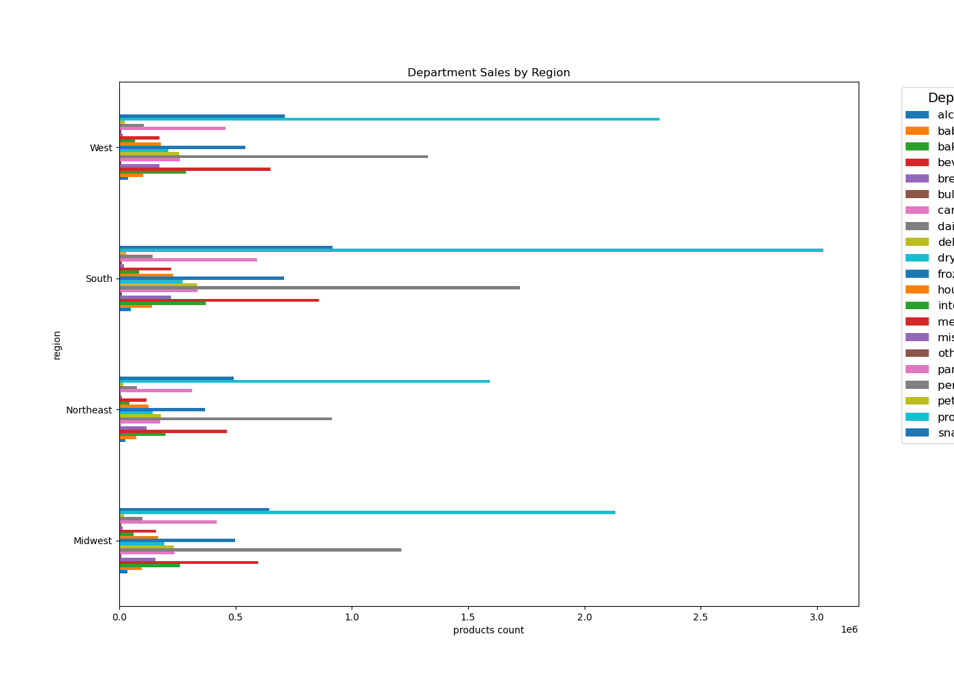

Answer: | The comparison of purchase orders across various product categories and regions is shown above. The Western and Southern regions recorded the highest sales across multiple product categories.

Question: | Is there a connection between age and family status in terms of ordering habits?
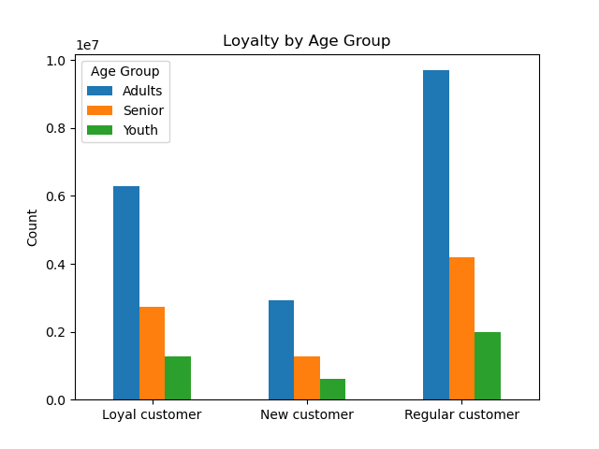

Answer: | Most orders were placed by adults, and based on the Loyalty by Family Status Bar Chart, the majority of customers are married.

Question: | What different classifications does the demographic information suggest? Age? Income? Certain types of goods? Family status?
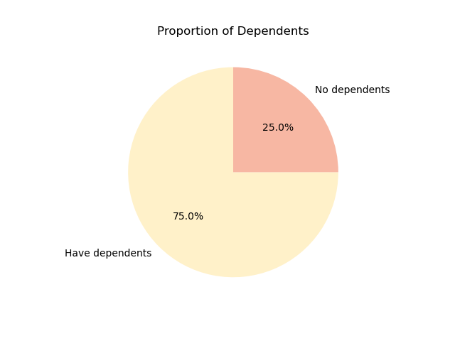
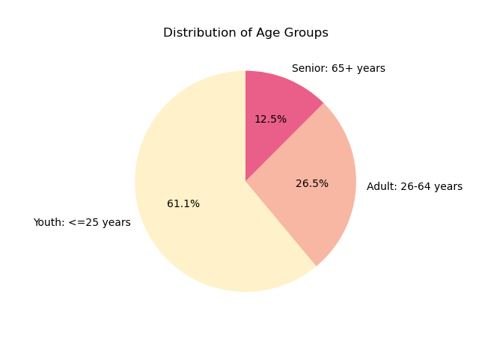

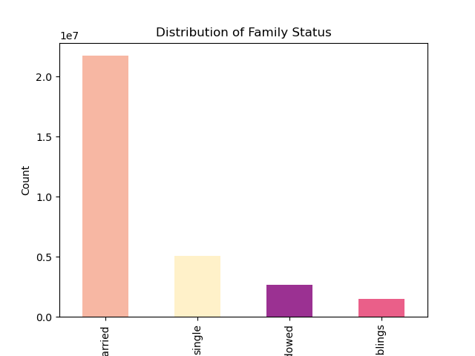

 |  | Answer: | The analysis revealed that the majority of orders came from married individuals, with 75% of them having dependents. This high proportion of dependents aligns with the Age Group Distribution, which shows that 61% of customers are young. This suggests that parents often involve their children in shopping—either by taking them along or sending them to purchase groceries, depending on the situation.

7. Recommendations
 |  | Title page

Recommendations

In this tab you should include any recommendations you would made to Instcart in terms of their marketing strategy based on the questions posed in the brief. Every key question has been covered in the Tasks of the Exercises - here you need to add an item - a visualisation or table/crosstable that is showing the answer in the data, acompanied by a comment from you. Please, list the questions below and add the answer underneath.

Question | What the busiest days of the week and hours of the day are (i.e., the days and times with the most orders) in order to schedule ads at times when there are fewer orders?

Answer | Weekends have the highest order volumes, with peak activity occurring during business hours,especially between 9 AM and 11 AM.

Question | Are there particular times of the day when people spend the most money, as this might inform the type of products they advertise at these times. The highest frequency of product orders will be determined here?

Answer | Instacart's top selling products include produce, dairy and eggs, and snacks. Customers tend to spend the most on these items during the busy morning rush hours.

Question | What’s the distribution among users in regards to their brand loyalty (i.e., how often do they return to Instacart)?
Answer | Returning customers are primarily from middle income households and are married.

Question | Are there differences in ordering habits based on a customer’s loyalty status?
Answer | The highest number of orders were placed by the low_spender category. In contrast, high_spender category made very few purchase orders.

Question | Are there differences in ordering habits based on a customer’s region?
Answer | The comparison of purchase orders across various product categories and regions is shown above. The Western and Southern regions recorded the highest sales across multiple product categories.

Question | Is there a connection between age and family status in terms of ordering habits?
Answer | Most orders were placed by adults, and based on the Loyalty by Family Status Bar Chart, the majority of customers are married.

Question | What different classifications does the demographic information suggest? Age? Income? Certain types of goods? Family status?

Answer | The analysis revealed that the majority of orders came from married individuals, with 75% of them having dependents. This high proportion of dependents aligns with the Age Group Distribution, which shows that 61% of customers are young. This suggests that parents often involve their children in shopping—either by taking them along or sending them to purchase groceries, depending on the situation.

